ET Training Model
 |  |  | Graduate Engineer Trainee Model

STEPin
GENESIS
(Foundation)
GENESIS
(Specialization)
Shadow Projects

*2 Months
4 Weeks
4 Weeks
4 Weeks

Prior to Joining LTTS
Post Joining LTTS
Within BU Incubation

Academy
Academy
Academy + Business
Business

Status
COMPLETED
COMPLETED
ON GOING
READINESS WORK
IN PROGRESS

Shadow Project Highlights
STEPin Program of 8 weeks – EMBEDDED, Software Stream
GENESIS Highlights

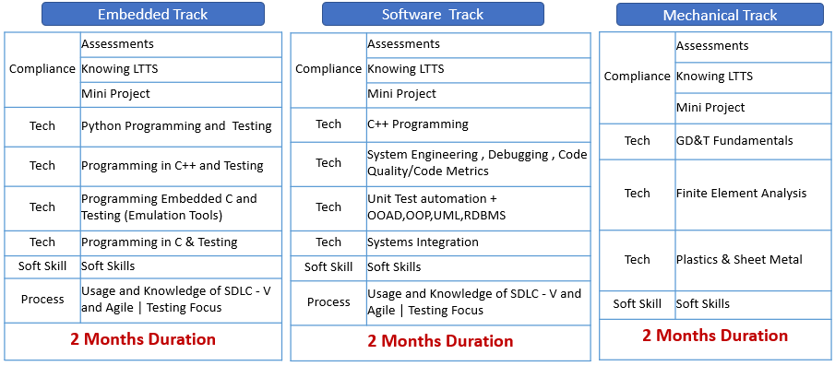
 |  |  |  |  |  |  | Onboarding Details
 |  |  |  |  |  |  | Circuit | SW | Mechanical | Onboarded Total | In GENESIS | Comments | BU Training Track | Trainees Count | # of Projects Planned (team size 3 - 4) | # of Project Proposals Received | Gap
 |  |  |  |  |  |  | 25 | 19 | 12 | 56 | 54 | Embedded Track onboarded on 14th Sept(Exit - 2 for Medical Reasons). Mechanical Track onboarded on 21st Sept | Medical BU | 54
 |  |  |  |  |  |  |  |  |  |  |  |  | MEDICAL_EMB | 42[19 (Software) + 23 (Embedded)] | 12 | Received, Approved and Mapped | none
 |  |  |  |  |  |  | Medical BU |  |  |  |  |  | MEDICAL_MECH | 12 | 4 | Received, Approved and Mapped | none
 |  |  |  |  |  |  | Training Tracks |  |  | Trainees Count |  | Training Location
 |  |  |  |  |  |  | MEDICAL_EMB |  |  | 42 |  | BLR
 |  |  |  |  |  |  | MEDICAL_MECH |  |  | 12 |  | BRD

STEPin | GENESIS |  |  |  |  | Planned release to BU Post BU Shadow Project
Pre- Requisite for onboarding | Advanced Foundation | BU Aligned Specialization |  |  | BU Shadow Projects
COMPLETED | COMPLETED | UNDERWAY & TO BE COMPLETED |  |  | 16th Nov - 19th Dec
 |  | by 14th November
2 Months | 1 Month | 1 Month (Any one Track) |  |  | 1 Month
 |  | Track -MED- Emedded and Software |  | Track - MED - Mechanical | Project Definitions Underway

Number of Trainees |  | 42 |  | 12

